Timing Examples
 |  | 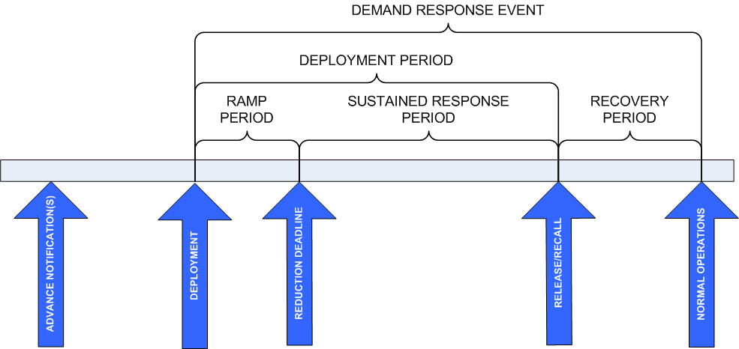
 |  |  | Advance Notification(s) | Deployment | Ramp Period | Reduction Deadline
1 | Day-Ahead Energy | The ISO/RTO notifies a CSP at 4:00 the day before an event to begin ramping down at 2:00 with the load required to be off the system at 2:30 | 4:00 (day before) | 2:00:00 | 30 Minutes | 2:30:00
2 | Emergency Energy or 30-Minute Reserve | The ISO/RTO calls a CSP at 2:00 and states that load must be off the system by 2:30 | - | 2:00:00 | 30 Minutes | 2:30:00
3 | Day-Ahead Energy | The ISO/RTO clears a resource at 4:00 the day before for a 2:00 event. | 4:00 (day before) | 2:00:00 | - | 2:00:00
4 | 10-Minute Reserve | The ISO/RTO calls a resource enrolled for 10-minute reserve from the control room at 2:15 to responds to a reduction request | - | 2:15:00 | 10 Minutes | 2:25:00
5 | Balancing Energy | The ISO/RTO uses a powerflow algorithm to calculate setpoints and sends these new targets to the demand resource every 5 minutes, beginning at 1:55. | - | 1:55, 2:00, 2:05… | 5 Minutes | 2:00, 2:05, 2:10…
6 | Day-Ahead Energy | A 10 MW demand resource can be curtailed to 5 MW under a price-responsive bid. The resource clears for the 2:00 hour in day-ahead at 8 MW and is notified through the DA final schedule at 4:00 (day-ahead). The resource has 30 minute startup time and a ramp limitation of 0.2 MW/min. (Detailed example of #3) | 4:00 (day before) | 2:00:00 | - | 2:00:00
7 | Balancing Energy | Same scenarios as above, however the remaining 3 MW of potential load drop is offered as real-time imbalance energy and, in real-time, the ISO/RTO selects the imbalance bid and dispatches the resource to 5 MW. | 4:00 (day before for day schedule) & 1:30 (for imbalance) | 2:00:00 | 15 minutes | 2:15:00

